SS
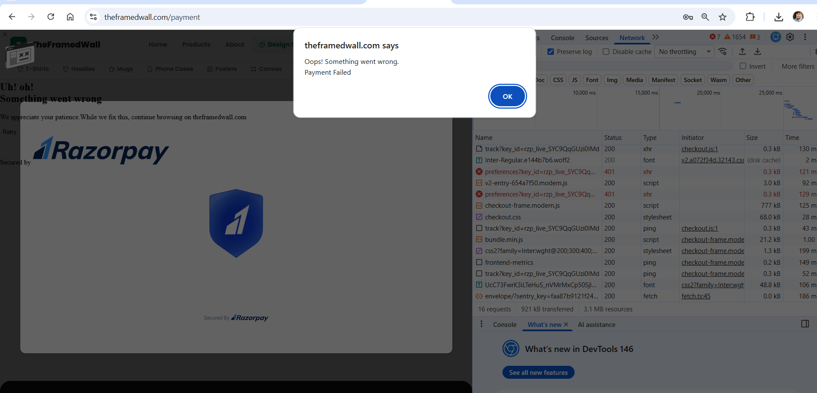


FAILED AT FIRST ATTEMPT

